Sheet1
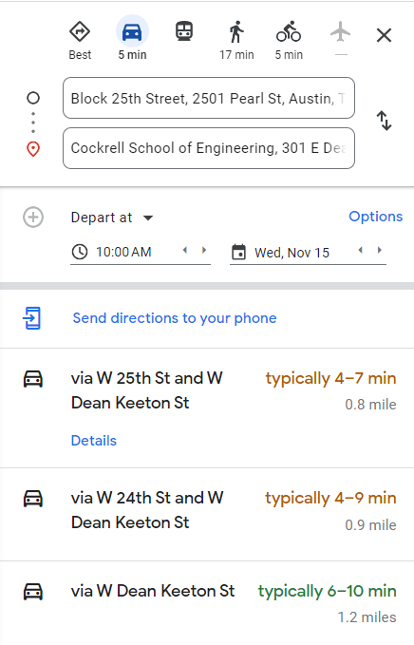
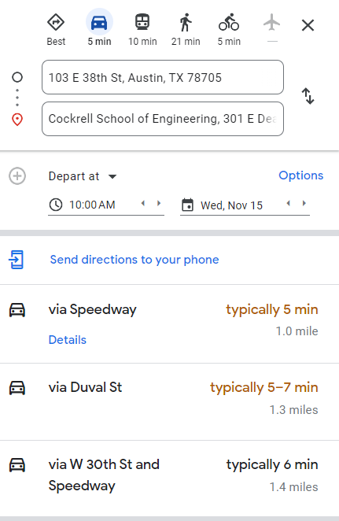
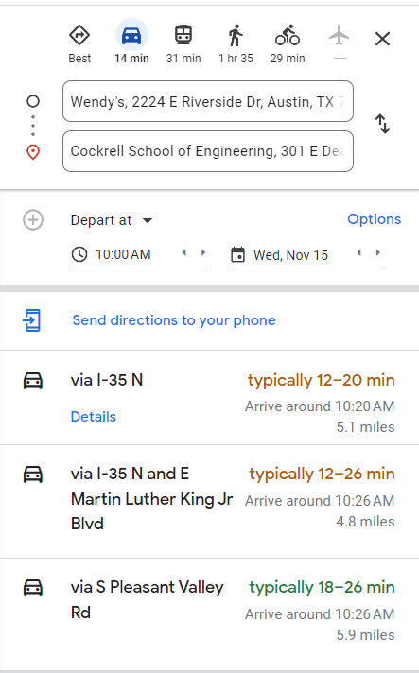
 | Convenience |  |  |  |  | Speed |  |  |  |  | Affordability (Transportatio) |  |  |  |  | Sustainability |  |  |  |  | Affordability (Rent)
 | Drive | Bus | Bike | Walk |  | Drive | Bus | Bike | Walk |  | Drive | Bus | Bike | Walk |  | Drive | Bus | Bike | Walk |  | Drive | Bus | Bike | Walk
West | 8 | 2 | 7 | 10 | West | 9 | 2 | 9 | 7 | West | 2 | 10 | 9 | 10 | West | Don't have a good opinion on this lol |  |  |  | West | 6 | 6 | 6 | 6
North | 10 | 8 | 9 | 8 | North | 10 | 8 | 10 | 6 | North | 2 | 10 | 9 | 10 | North |  |  |  |  | North | 7 | 7 | 7 | 7
Riverside | 7 | 8 | 4 | 1 | Riverside | 7 | 4 | 4 | 1 | Riverside | 2 | 10 | 9 | 10 | Riverside |  |  |  |  | Riverside | 9 | 9 | 9 | 9

